Tables 4-5
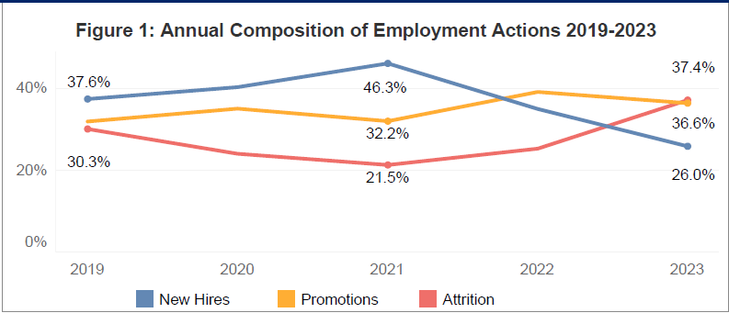
2023 OMWI Annual Report to Congress FHFA Employment Actions

Table 4: Annual Composition of Employment Actions 2019-2023 (Percentages)

Years | New Hires | Promotions | Attrition | Total Actions
2019 | 37.6 | 32.1 | 30.3 | 100.0
2020 | 40.5 | 35.3 | 24.2 | 100.0
2021 | 46.3 | 32.2 | 21.5 | 100.0
2022 | 35.2 | 39.4 | 25.5 | 100.0
2023 | 26.0 | 36.6 | 37.4 | 100.0
...

Table 10
2023 OMWI Annual Report to Congress FHFA Career Development
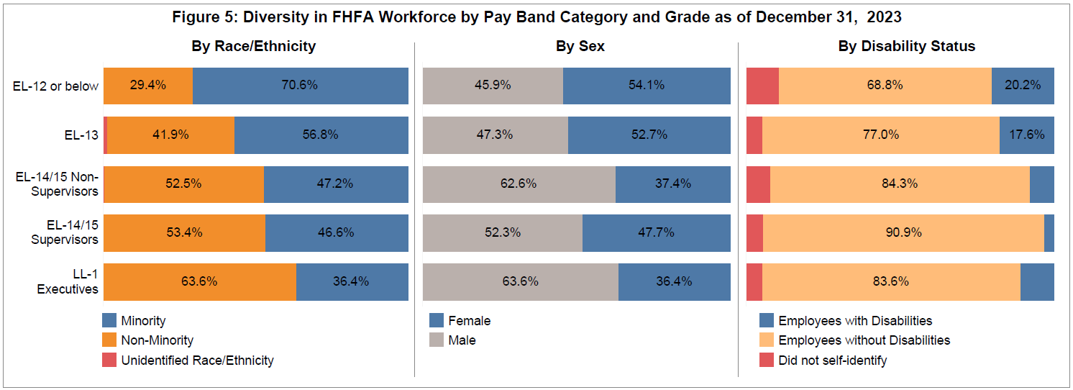

Table 10: Diversity in FHFA Workforce by Pay Band Category and Grade as of December 31, 2023 (Percentages)

Demographic Group | EL-12 or below | EL-13 | EL-14/15 Non-Supervisors | EL-14/15 Supervisors | LL-1 Executives | Total
Total Workforce | 100.0 | 100.0 | 100.0 | 100.0 | 100.0 | 100.0
Race/Ethnicity
Minority | 70.6 | 56.8 | 47.2 | 46.6 | 36.4 | 51.1
Black/African American | 52.3 | 25.7 | 18.6 | 22.7 | 18.2 | 25.3
Asian | 9.2 | 20.3 | 20.9 | 15.9 | 12.7 | 17.6
Small Racial/Ethnic Minorities | 9.2 | 10.8 | 7.8 | 8.0 | 5.5 | 8.2
Non-Minority | 29.4 | 41.9 | 52.5 | 53.4 | 63.6 | 48.6
...

